SA Pro forma Invoice
Pro Forma TAX INVOICE
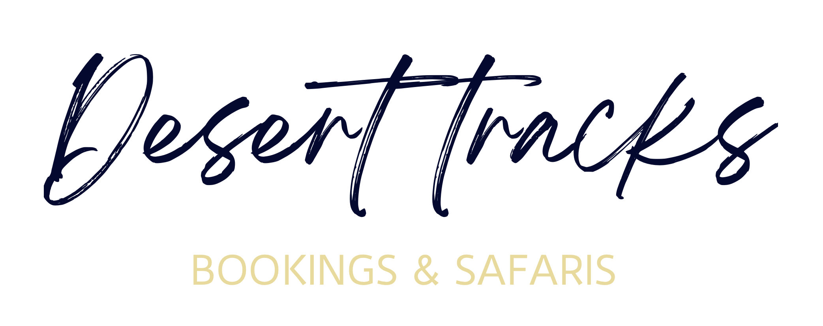
DESERT TRACKS BOOKINGS AND SAFARI (Pty) Ltd
19 EDISON WAY UNIT 129 MILLENIUM BUSINESS PARK |  | Invoice No. | 1234
CENTURY CITY - WESTERN CAPE |  | Invoice Date: | 2023-05-07
7441 |  | CLIENT Ref: | DT-
+264 (0)81 867 0705
NTB Reg No. TSO01063
Business Reg No. 2023 / 571033 bookings@desert-tracks.com
www.desert-tracks.com

TOUR TYPE

Description | Pax | Total | Amount
Namibia Safari (24 April - 9 May 2023) | 2 | ZAR 1,234.00 | ZAR 2,468.00

20 % Deposit due = ZAR

 |  | Subtotal | ZAR 2,468.00
 |  | Total Vat | ZAR 321.91
 |  | Total exclusive | ZAR 2,146.09
 |  | TOTAL | ZAR 2,468.00
Thank you - Your business is appreciated!

Banking Details for ZAR - EFT

ACCOUNT NAME - DESERT TRACKS BOOKINGS AND SAFARI (Pty)
STANDARD BANK - BUSINESS CURRENT ACCOUNT
THIBAULT SQUARE (Corner Hans Strydom, Long St, Cape Town City Centre, 8001, South Africa)
ACCOUNT NUMBER - 070185077
BRANCH CODE - 051001
SWIFT ADDRESS - SBZA ZA JJ

KINDLY EMAIL PROOF OF PAYMENT TO bookings@desert-tracks.com

